Calculation
Field Name | Formula | Comment | Missing data
Infield
Application rate (mm/hr): | ROUND(Average flow (l/h)/(Average lateral spacing (m)*Emitter spacing (m)),2)
Area total flow (m3/hr): | ROUND(Application rate(mm/hr)*NetArea(Ha)*10,0)
Duration of one shift, per day(hr): | IF(Max Allowed Irrigation Days Per Week(days)=7, ROUND(Max Water Requirement (mm/d)/Application rate(mm/hr),2), ROUND((7*Max Water Requirement (mm/d))/(Application rate(mm/hr)*(Max Allowed Irrigation Days Per Week(days)),2))
Number of shifts:
Total actual daily irrigation time (hr):
Estimated max shift flow rate (m3/hr):
Total length of lateral per project (m):
Total number of lateral's outlets/end lines:

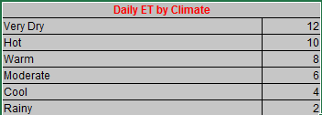
Field Name | Formula | Comment | Missing data
Infield
maxWaterRequirement | cropfactor * climate

